calculation
Calculation

 | ALL districts | list of cities within water districts |  |  |  | list of cities within water districts |  |  |  | list of cities within water districts
 |  | bear gultch-redwood city | tot | quarter | SFZ % | mid pen water | tot | quarter | SFZ % | redwood valley cws | tot | quarter | SFZ % | sfh
 |  | Atherton, | 326 | 289 | 100 | can crlos | 985 | 150 |  | can crlos
 |  | portions of Menlo Park and | 1232 | 235 | 80 | san mateo | 2717 | 338
 |  | Los Trancos, | 50 | 45 |  | palomar park | 34 | 29
 |  | Portola Valley, | 197 | 169 | 100 |  | 3736 | 517
 |  |  | 1805 | 738 | 280 | NMarin WD | tot | quarter | SFZ %
 |  |  |  |  |  | novato | 2070 | 504 | 90
 |  | contra costa water dist | tot | quarter | SFZ % | point reyes station | 61 | 48
 |  | antioch | 3962 | 294 | 94 | inverness | 35 | 32
 |  | Clayton | 421 | 191 | 95 | bear valley | 97 | 58
 |  | Concord | 3602 | 480 | 85 |  | 2263 | 642 | 90
 |  | martinez | 1745 | 217 | 93 | sweet water springs | tot | quarter | SFZ %
 |  | pittsburg | 2178 | 120 | 79 | Guerneville | 439 | 94
 |  | Port Costa | 9 | 1 |  | Rio Nido | 156 | 24
 |  | sum = | 11917 | 1303 | 446 | Guernewood Park | 234 | 50
 |  | Dublin San Ramon Services District | tot | quarter | SFZ % | Villa Grande | 143 | 37
 |  | dublin | 2095 | 93 | 67 | Monte Rio | 141 | 38
 |  | pleasanton | 1982 | 433 | 91 |  | 1113 | 243
 |  | san ramon dougherty valley only | 842 | 19 |  | valley of the moon | tot | quarter | SFZ %
 |  | sum = | 4919 | 545 | 158 | el verano | 341 | 77
 |  | EBMUD | tot | quarter | SFZ % | eldridge | 115 | 71
 |  | alameda | 1735 | 254 | 43 | boyes hot springs | 466 | 110
 |  | alamo | 542 | 494 |  |  | 922 | 258 |  |  |  |  |  |  | planningdivision@cityofukiah.com
 |  | albany | 396 | 85 | 69 | Alameda County Water District | tot | quarter | SFZ %
 |  | berkeley | 2160 | 174 | 49 | newark | 1486 | 107
 |  | castro valley | 1371 | 298 |  | union city | 1127 | 113
 |  | crockett | 128 | 14 |  | fremont | 4615 | 760 | 88
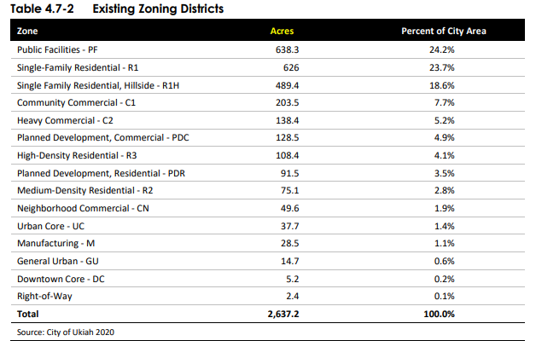
 |  | danville | 2056 | 862 | 95 |  | 7228 | 980 | 88
 |  | el sobrante | 339 | 100 |  | Humbolt | tot | quarter | SFZ %
 |  | emeryville | 406 | 235 | 41 | arcata
 |  | hercules | 570 | 38 | 80 | eureka
 |  | lafayette | 942 | 688 | 98 | mckinleyville
 |  | oakland | 10180 | 1694 | 65 |  |  |  | 99
 |  | orinda | 697 | 573 | 100 | Marin MWD | tot | quarter | SFZ %
 |  | piedmont | 359 | 79 | 100 | Belvedere | 96 | 26
 |  | pinole | 438 | 78 | 91 | Corte Madera | 334 | 53
 |  | richmond | 2685 | 105 | 71 | Fairfax | 294 | 92
 |  | san leandro | 2083 | 315 | 81 | Larkspur | 237 | 49
 |  | san pablo | 654 | 29 | 67 | Marin City | 317 | 30
 |  | san ramon | 2059 | 259 | 88 | Mill Valley | 1095 | 332
 |  | walnut creek | 3901 | 847 | 86 | Ross | 74 | 49
 |  | sum = | 33701 | 7221 | 1224 | San Anselmo | 465 | 143
 |  | great oaks | tot | quarter | SFZ % | San Rafael | 1937 | 396
 |  | Blossom Valley | 2253 | 29 |  | Sausalito | 447 | 39
 |  | Santa Teresa | 846 | 16 |  | Tiburon | 406 | 171
 |  | Edenvale | 1004 | 17 |  | sum = | 5702 | 1380 | 78
 |  | Almaden Valley | 1259 | 197
 |  | sum = | 5362 | 259

